Sheet1
 |  | Conflict Minerals Reporting Template (CMRT)
 | 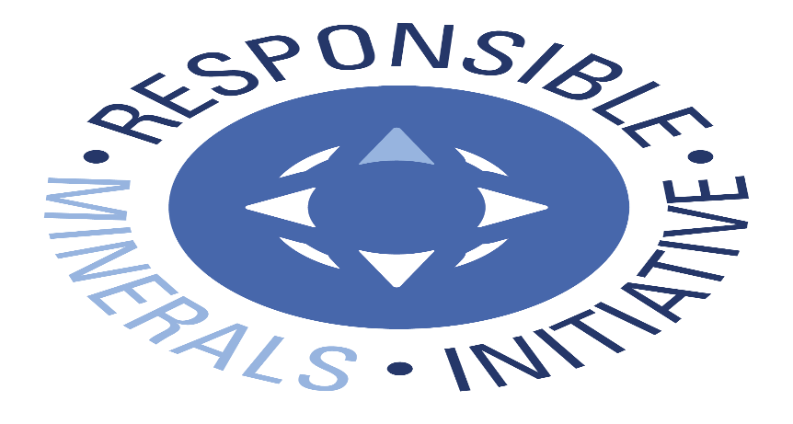 Select Language Preference Here: 请选择你的语言: 사용할 언어를 선택하시오 : 表示言語をここから選択してください: Sélectionner la langue préférée ici: Selecione Preferência de idioma Aqui: Wählen sie hier die Sprache: Seleccione el lenguaje de preferencia aqui: Selezionare la lingua di preferenza qui: Burada Dil Tercihini Belirleyin: | English |  |  | Revision 5.11 April 27, 2018
 | The purpose of this document is to collect sourcing information on tin, tantalum, tungsten and gold used in products |  |  | Link to Terms & Conditions
A
 | Mandatory fields are noted with an asterisk (*). Consult the instructions tab for guidance on how to answer each question.
 | Company Information
 | Company Name (*): | Alpha
 | Declaration Scope or Class (*): | A. Company
 | Description of Scope: | All Alpha companies are covered by this template

 | Company Unique ID: | 08-935-2983
 | Company Unique ID Authority:
 | Address: | 109 Corporate Blvd, South Plainfield, NJ, 08807, USA.
 | Contact Name (*): | Jack Wagner
 | Email – Contact (*): | jwagner@alent.com
 | Phone – Contact (*): | 1(814)941-1697
 | Authorizer (*): | Steef Nuijens
 | Title - Authorizer: | Global director of Metals
 | Email - Authorizer (*): | snuijens@alent.com
 | Phone - Authorizer (*): | 9087913009
 | Effective Date (*): | 4-Dec-2015

 | Answer the following questions 1 - 7 based on the declaration scope indicated above
 | 1) Is any 3TG intentionally added or used in the product(s) or in the production process? (*) | Answer | Comments
 | Tantalum | No
 | Tin (*) | Yes
 | Gold | No
 | Tungsten | No

 | 2) Does any 3TG remain in the product(s)? | Answer | Comments
 | Tantalum | No
 | Tin (*) | Yes
 | Gold | No
 | Tungsten | No

 | 3) Do any of the smelters in your supply chain source the 3TG from the covered countries? (SEC term, see definitions tab) | Answer | Comments
 | Tantalum
 | Tin (*) | Yes | Tin from covered countries sourced from CFS smelters Malaysia Smelting Corp. (MSC) and Thaisarco.
 | Gold
 | Tungsten

 | 4) Does 100 percent of the 3TG (necessary to the functionality or production of your products) originate from recycled or scrap sources? | Answer | Comments
 | Tantalum
 | Tin (*) | No
 | Gold
 | Tungsten

 | 5) What percentage of relevant suppliers have provided a response to your supply chain survey? | Answer | Comments
 | Tantalum
 | Tin (*) | 100%
 | Gold
 | Tungsten

 | 6) Have you identified all of the smelters supplying the 3TG to your supply chain? | Answer | Comments
 | Tantalum
 | Tin (*) | Yes
 | Gold
 | Tungsten

 | 7) Has all applicable smelter information received by your company been reported in this declaration? | Answer | Comments
 | Tantalum
 | Tin (*) | Yes
 | Gold
 | Tungsten

 | Answer the Following Questions at a Company Level
 | Question | Answer | Comments
 | A. Have you established a conflict minerals sourcing policy? | Yes

 | B. Is your conflict minerals sourcing policy publicly available on your website? (Note – If yes, the user shall specify the URL in the comment field.) | Yes | http://alpha.alent.com/en/Regulatory/Environmental-and-Regulatory-Corner

 | C. Do you require your direct suppliers to be DRC conflict-free? | Yes

 | D. Do you require your direct suppliers to source the 3TG from smelters whose due diligence practices have been validated by an independent third party audit program? | Yes

 | E. Have you implemented due diligence measures for conflict-free sourcing? | Yes

 | F. Does your company conduct Conflict Minerals survey(s) of your relevant supplier(s)? | Yes, in conformance with IPC1755 (e.g., CMRT)

 | G. Do you review due diligence information received from your suppliers against your company’s expectations? | Yes

 | H. Does your review process include corrective action management? | Yes

 | I. Is your company required to file an annual conflict minerals disclosure with the SEC? | No

© 2018 Responsible Minerals Initiative. All rights reserved.

